Sheet1
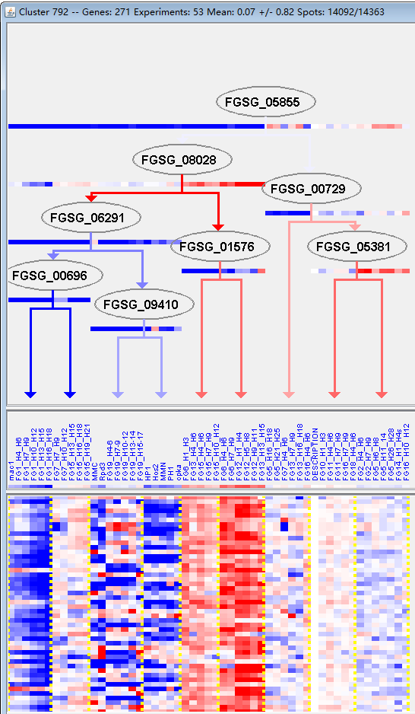
k | Filter | FUNCTIONAL CATEGORY | abs SET | rel SET | genes SET | abs GENOME | rel GENOME | rel SET/rel GENOME | P-VALUE | Bonferroni_corr | FDR
01.05.06 C-2 compound and organic acid metabolism | 3 | 1.34 | FGSG_00145 FGSG_03439 FGSG_10267 | 45 | 0.32 | 4.1875 | 0.03577006115
01.06.05 fatty acid metabolism | 6 | 2.69 | FGSG_00145 FGSG_01571 FGSG_03439 FGSG_06455 FGSG_08943 FGSG_11409 | 157 | 1.13 | 2.3805309735 | 0.041873132334
01.08.01 metabolism of neurotransmitters | 1 | 0.44 | FGSG_11729 | 2 | 0.01 | 44 | 0.031999066674
12.04 translation | 8 | 3.58 | FGSG_00414 FGSG_12028 FGSG_05135 FGSG_05220 FGSG_05640 FGSG_13223 FGSG_10942 FGSG_10941 | 218 | 1.57 | 2.2802547771 | 0.025213092252
12.10 aminoacyl-tRNA-synthetases | 3 | 1.34 | FGSG_00690 FGSG_05135 FGSG_13223 | 46 | 0.33 | 4.0606060606 | 0.037824167255
40.10.02.04 regulation of apoptosis | 2 | 0.89 | FGSG_04587 FGSG_07931 | 20 | 0.14 | 6.3571428571 | 0.04066536525
99 UNCLASSIFIED PROTEINS | 146 | 65.4 | FGSG_11645 FGSG_11707 FGSG_00379 FGSG_11767 FGSG_00457 FGSG_00528 FGSG_00687 FGSG_11816 FGSG_11819 FGSG_00949 FGSG_01005 FGSG_01034 FGSG_01145 FGSG_01192 FGSG_11958 FGSG_01578 FGSG_11982 FGSG_01668 FGSG_01777 FGSG_12038 FGSG_02035 FGSG_02065 FGSG_02076 FGSG_12102 FGSG_02384 FGSG_12175 FGSG_04550 FGSG_04522 FGSG_12250 FGSG_12258 FGSG_04344 FGSG_12274 FGSG_12277 FGSG_12299 FGSG_12315 FGSG_04001 FGSG_03997 FGSG_03958 FGSG_03840 FGSG_12377 FGSG_03739 FGSG_03640 FGSG_03556 FGSG_03494 FGSG_12437 FGSG_03383 FGSG_12472 FGSG_12531 FGSG_12535 FGSG_12564 FGSG_02841 FGSG_12575 FGSG_02796 FGSG_04696 FGSG_04699 FGSG_04733 FGSG_04931 FGSG_12660 FGSG_12671 FGSG_05056 FGSG_12675 FGSG_05176 FGSG_05291 FGSG_05338 FGSG_12721 FGSG_05497 FGSG_05569 FGSG_12763 FGSG_12794 FGSG_12818 FGSG_05913 FGSG_05943 FGSG_12889 FGSG_12915 FGSG_06398 FGSG_12933 FGSG_06591 FGSG_12988 FGSG_06913 FGSG_13019 FGSG_13022 FGSG_07034 FGSG_07070 FGSG_13059 FGSG_13063 FGSG_13066 FGSG_13081 FGSG_13090 FGSG_13097 FGSG_07221 FGSG_13102 FGSG_13154 FGSG_07599 FGSG_13178 FGSG_13181 FGSG_07710 FGSG_07790 FGSG_13228 FGSG_13234 FGSG_13235 FGSG_08930 FGSG_08881 FGSG_08636 FGSG_08493 FGSG_13356 FGSG_13362 FGSG_08301 FGSG_13411 FGSG_08231 FGSG_13495 FGSG_09237 FGSG_09356 FGSG_09368 FGSG_13636 FGSG_09746 FGSG_13638 FGSG_13639 FGSG_13649 FGSG_13656 FGSG_13672 FGSG_13678 FGSG_13682 FGSG_13695 FGSG_13706 FGSG_10154 FGSG_10386 FGSG_10406 FGSG_13753 FGSG_10556 FGSG_13834 FGSG_11185 FGSG_11148 FGSG_11055 FGSG_13872 FGSG_11005 FGSG_13893 FGSG_13908 FGSG_13916 FGSG_13926 FGSG_13948 FGSG_11455 FGSG_11376 FGSG_11373 FGSG_13987 FGSG_11333 FGSG_11332 | 7238 | 52.3 | 1.2504780115 | 4.38E-05

01.05.06 C-2化合物及有机酸代谢
01.06.05脂肪酸代谢
01.08.01神经递质代谢
12.04翻译
12.10 氨基酰tRNA合成酶
40.10.02.04调控细胞凋亡
99未分类的蛋白质

